StackedCNN3D_HKP
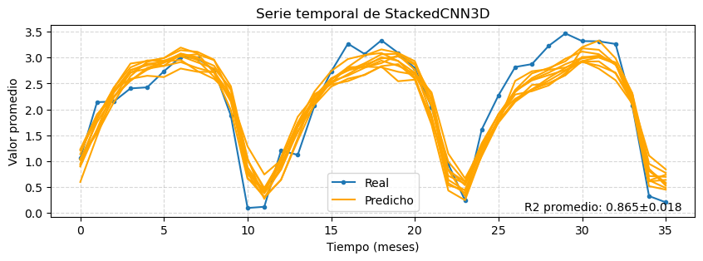
r2 | pearson_corr | r2_plot | mean_ssim | rmse | nrmse | mae | mbe | w_dist | spearman_corr | hit_rate_percent | mean_yearly_hit_rate | mean_monthly_hit_rate
0.570±0.010 | 0.757±0.007 | 0.865±0.018 | 0.514±0.011 | 1.707±0.020 | 0.171±0.002 | 1.150±0.040 | -0.061±0.067 | 0.734±0.072 | 0.719±0.006 | 56.333±1.225 | 54.767±0.939 | 38.990±1.006

variable | r2_importance | ssim_importance | loss_importance | r2_drop_%
vgo | 0.3723 ± 0.0896 | 0.0847 ± 0.0328 | 1.3305 ± 0.2991 | 65.6542 ± 15.5530
mlotst | 0.1094 ± 0.0369 | 0.0185 ± 0.0180 | 0.3582 ± 0.1185 | 19.3396 ± 6.6318
to | 0.0949 ± 0.0641 | 0.0272 ± 0.0151 | 0.3639 ± 0.2396 | 16.6850 ± 11.1508
ugo | 0.0840 ± 0.0118 | 0.0058 ± 0.0420 | 0.3213 ± 0.0431 | 14.8205 ± 2.0330
month_sin | 0.0416 ± 0.0322 | 0.0152 ± 0.0147 | 0.1465 ± 0.1067 | 7.3170 ± 5.5841
month_cos | 0.0347 ± 0.0500 | 0.0102 ± 0.0281 | 0.1383 ± 0.1934 | 6.1561 ± 8.9416
CDM | 0.0163 ± 0.0072 | -0.0021 ± 0.0091 | 0.0544 ± 0.0252 | 2.8677 ± 1.2629

UNet3D_HKP
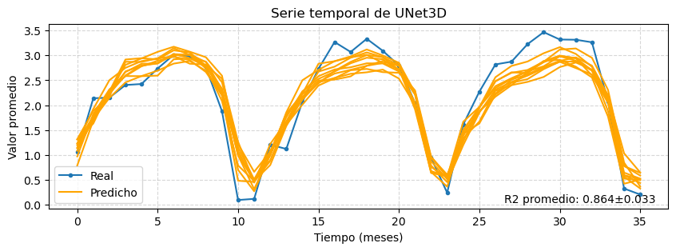
r2 | pearson_corr | r2_plot | mean_ssim | rmse | nrmse | mae | mbe | w_dist | spearman_corr | hit_rate_percent | mean_yearly_hit_rate | mean_monthly_hit_rate
0.581±0.007 | 0.764±0.005 | 0.864±0.033 | 0.532±0.008 | 1.685±0.014 | 0.169±0.001 | 1.162±0.024 | -0.056±0.048 | 0.786±0.060 | 0.724±0.005 | 55.544±1.674 | 54.622±0.934 | 38.321±0.815

variable | r2_importance | ssim_importance | loss_importance | r2_drop_%
mlotst | 0.1032 ± 0.0588 | 0.0307 ± 0.0235 | 0.3693 ± 0.2139 | 17.8366 ± 10.0835
vgo | 0.0986 ± 0.0671 | 0.0216 ± 0.0248 | 0.4009 ± 0.2588 | 17.0516 ± 11.5436
ugo | 0.0898 ± 0.0404 | 0.0176 ± 0.0237 | 0.3627 ± 0.1617 | 15.5147 ± 6.9366
CDM | 0.0332 ± 0.0116 | 0.0116 ± 0.0176 | 0.1097 ± 0.0380 | 5.7458 ± 2.0370
month_sin | 0.0329 ± 0.0347 | 0.0145 ± 0.0089 | 0.1147 ± 0.1353 | 5.6539 ± 5.9434
to | 0.0113 ± 0.0126 | 0.0034 ± 0.0153 | 0.0504 ± 0.0502 | 1.9514 ± 2.1828
month_cos | 0.0056 ± 0.0091 | 0.0010 ± 0.0147 | 0.0242 ± 0.0360 | 0.9655 ± 1.5672

StackedCNN3D_SQA
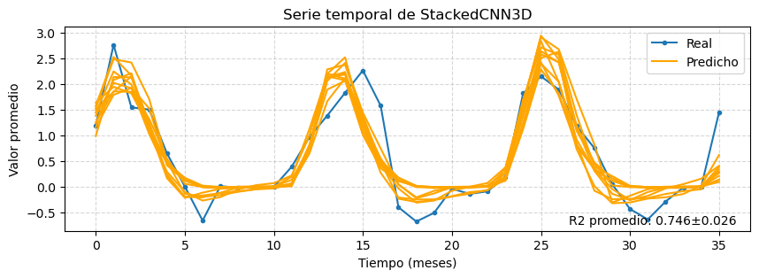
r2 | pearson_corr | r2_plot | mean_ssim | rmse | nrmse | mae | mbe | w_dist | spearman_corr | hit_rate_percent | mean_yearly_hit_rate | mean_monthly_hit_rate
0.436±0.015 | 0.663±0.012 | 0.746±0.026 | 0.270±0.044 | 1.265±0.017 | 0.097±0.001 | 0.694±0.026 | -0.003±0.039 | 0.379±0.031 | 0.552±0.037 | 66.444±1.336 | 66.922±1.207 | 31.274±1.887

variable | r2_importance | ssim_importance | loss_importance | r2_drop_%
vgo | 0.2995 ± 0.0788 | 0.0064 ± 0.0344 | 0.4730 ± 0.0983 | 68.9995 ± 17.4257
month_cos | 0.1881 ± 0.1320 | 0.1152 ± 0.0783 | 0.2930 ± 0.1822 | 42.7085 ± 28.8379
mlotst | 0.1408 ± 0.1136 | 0.0175 ± 0.0246 | 0.2307 ± 0.1663 | 32.0453 ± 24.9931
ugo | 0.0976 ± 0.0614 | -0.0022 ± 0.0473 | 0.1899 ± 0.0989 | 22.5024 ± 14.1192
to | 0.0595 ± 0.0408 | -0.0059 ± 0.0274 | 0.0964 ± 0.0624 | 13.5596 ± 8.9704
month_sin | 0.0582 ± 0.0341 | 0.0493 ± 0.0356 | 0.0934 ± 0.0486 | 13.5902 ± 8.1610
CDM | 0.0093 ± 0.0169 | 0.0160 ± 0.0275 | 0.0250 ± 0.0250 | 2.1674 ± 3.9302

UNet3D_SQA
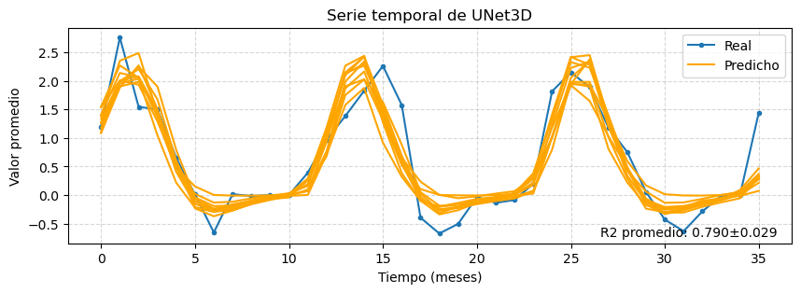
r2 | pearson_corr | r2_plot | mean_ssim | rmse | nrmse | mae | mbe | w_dist | spearman_corr | hit_rate_percent | mean_yearly_hit_rate | mean_monthly_hit_rate
0.450±0.012 | 0.673±0.008 | 0.790±0.029 | 0.198±0.021 | 1.249±0.014 | 0.096±0.001 | 0.716±0.018 | -0.036±0.070 | 0.418±0.023 | 0.603±0.019 | 66.922±1.336 | 67.289±1.425 | 32.252±2.172

variable | r2_importance | ssim_importance | loss_importance | r2_drop_%
mlotst | 0.1289 ± 0.0915 | 0.0621 ± 0.0325 | 0.2411 ± 0.1575 | 28.5863 ± 20.1724
vgo | 0.0729 ± 0.0530 | 0.0048 ± 0.0134 | 0.1328 ± 0.0922 | 16.4165 ± 12.1522
month_sin | 0.0577 ± 0.0345 | 0.0503 ± 0.0536 | 0.0903 ± 0.0578 | 12.9033 ± 7.7845
month_cos | 0.0571 ± 0.1195 | 0.0482 ± 0.0493 | 0.0942 ± 0.2001 | 12.8881 ± 27.2556
CDM | 0.0189 ± 0.0330 | 0.0005 ± 0.0184 | 0.0307 ± 0.0578 | 4.1919 ± 7.5248
to | 0.0174 ± 0.0182 | 0.0075 ± 0.0151 | 0.0319 ± 0.0305 | 3.8876 ± 4.0434
ugo | 0.0072 ± 0.0102 | 0.0003 ± 0.0135 | 0.0146 ± 0.0194 | 1.5997 ± 2.2722

